TestSummary
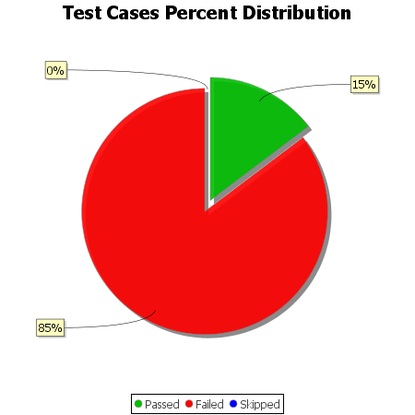
Total Test Cases | 34
Test Cases Passed | 5
Test Cases Failed | 29
Test Cases Skipped | 0

